SPI Nr.11
SIDE A
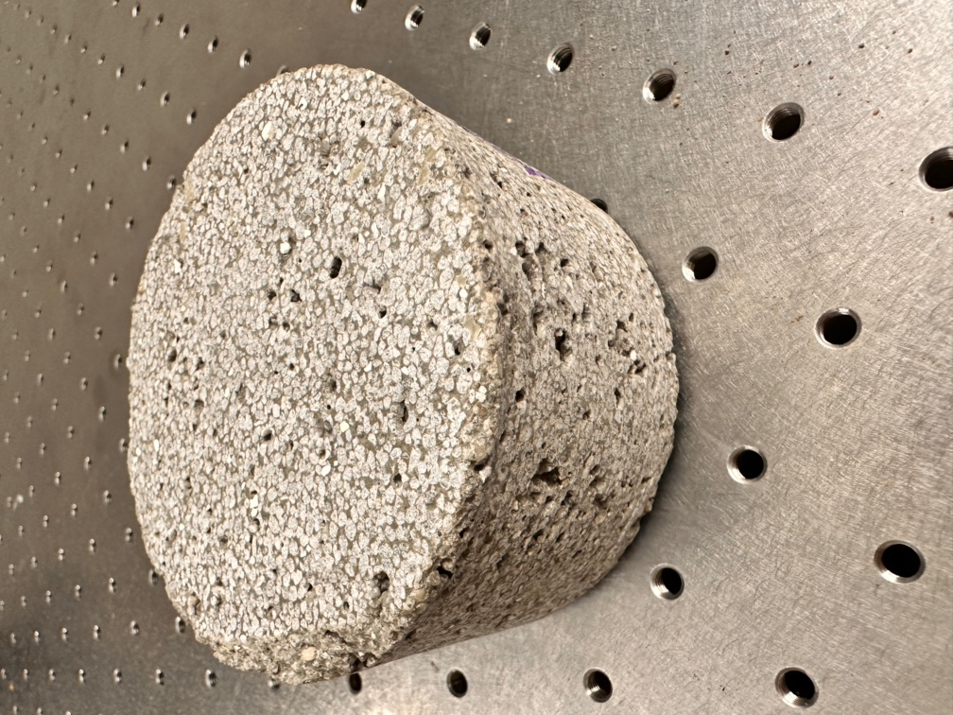
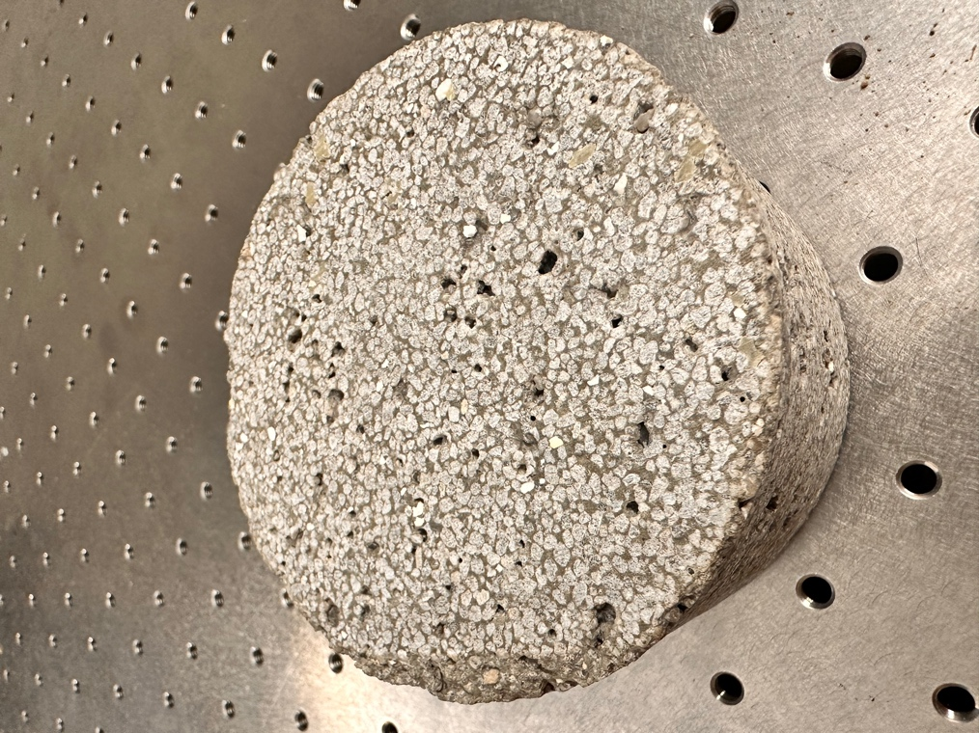
Selective Paste Intrusion (SPI)
Physical Properties
Density (Kg/dm3)
Porosity (%) and Pore Size Distribution
Elasticity Modulus (Pa)
Compressive Strength (Mpa)
Thermal Conductivity
Damping Capacity
Layering Properties | Homogeneous along the thickness direction: density, porosity, etc?
Supplementary Instruction | other suggested properties worth attention; reference
Material Properties
Cement Paste Composition | ordinary Portland cement (OPC) and water, with a water-to-cement ratio of ? Other Components? (mixing water and addings)
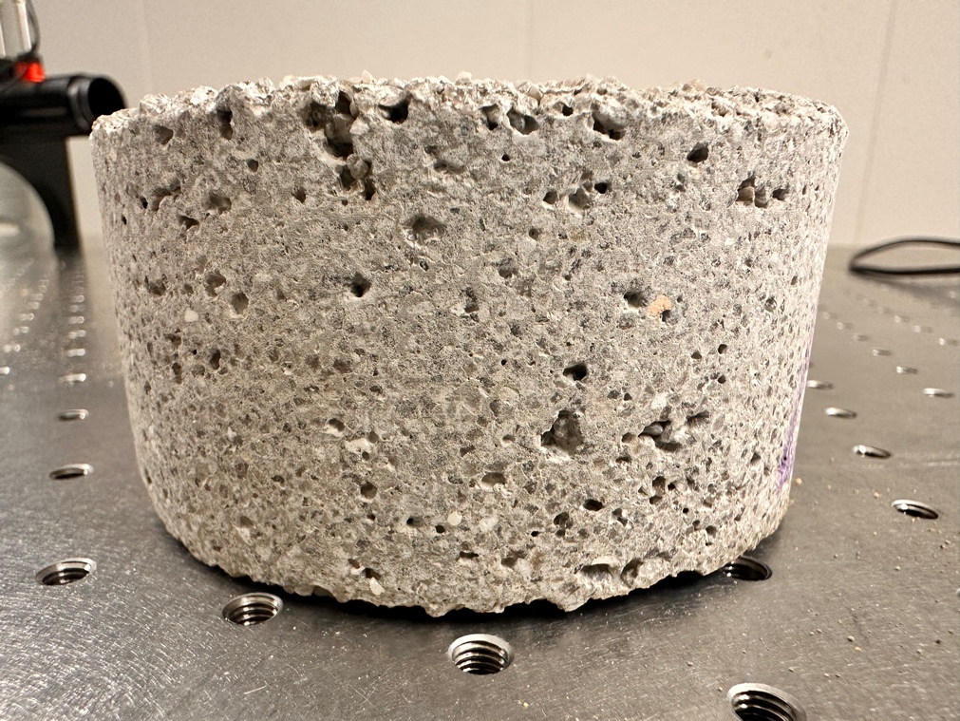
Lightweight Aggregates | Composition (LEGA?), Grain Size distribution/Shape of Aggregates? Aggregates Layer Thickness? Cavities?
Supplementary Instruction | other suggested properties worth attention; reference
Surface Characteristics
Texture Information | Surface with resenators
Along the thickness direction
Surface Roughness
Supplementary Instruction | other suggested properties worth attention; reference
Manufacturing Process Factors
experimental setup of the printer | a conical, round nozzle with an inner diameter bnz of ? mm, which moves with a height hnz of ?mm over the particle-bed with dimensions of ? m to ? m by means of an x-y gantry system. The height of the building space is ?
Layer Thickness | The thickness of each printed layer and the orientation of these layers affect how sound waves interact with the structure.
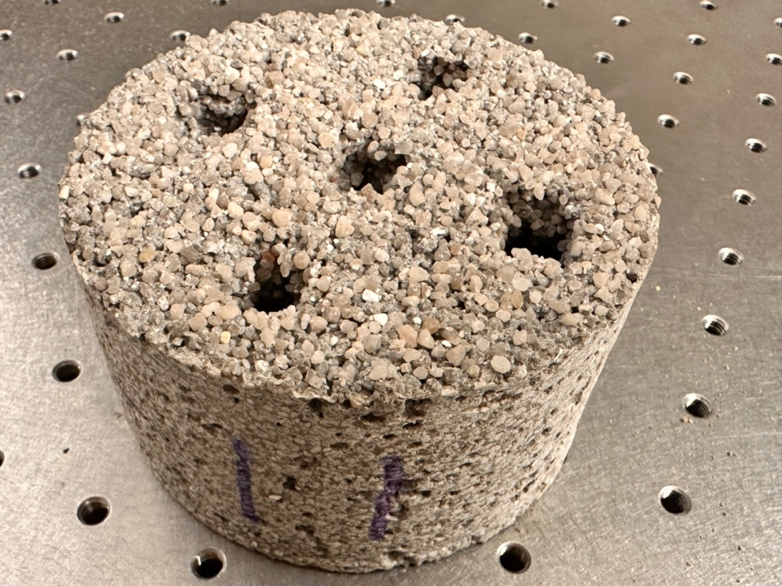
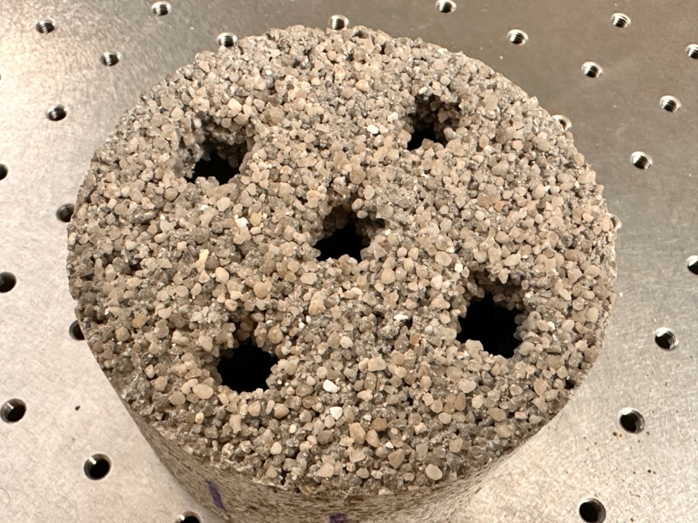
Curing Condition
SIDE B
Compaction and Pressure Applied
Exavation Conditions
Supplementary Instruction | other suggested factors worth attention; reference

 |  | only No.11 Specimen

